Overview
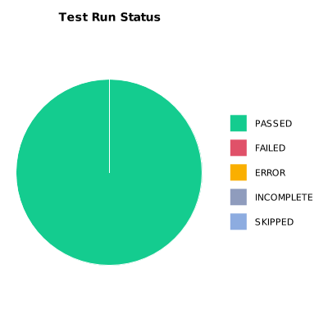
EXECUTION SUMMARY
Test Run ID | 1072
Status | PASSED
Organization | FIT@HCMUS
Team | First Team
Project | First Project
By | Tan Nguyen Phu
Start Time | 01/08/2024 17:54:04 +00:00
Duration | 0:01:19.653

TEST RESULTS
Total test results | 9
Passed | 9
Failed | 0
Error | 0
Incomplete | 0
Skipped | 0

